Sheet1
DATE | INV NO. | DESCRIPTIONS | QTY | BIILS | PRICE | TOTAL
2025-10-03 | SI202510030006 | Classic Syrniki | 60 | 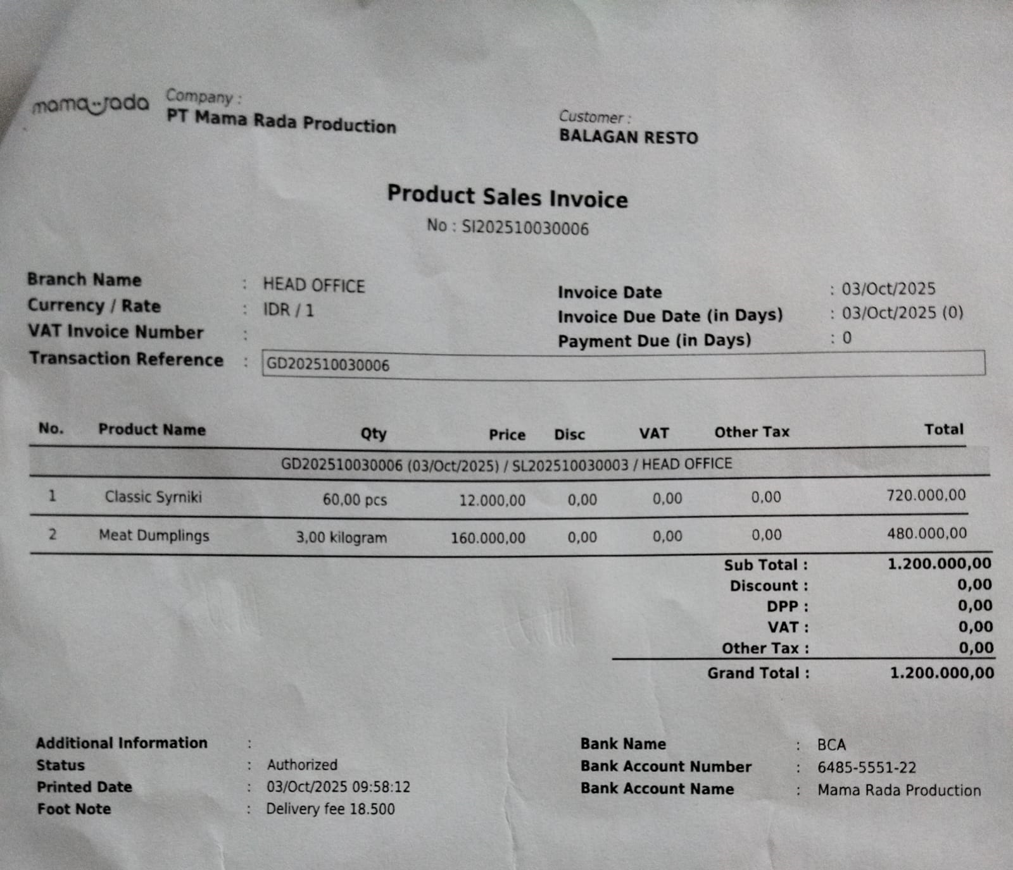 | IDR 12,000 | IDR 1,200,000
 |  | Meat Dumplings | 3 |  | IDR 160,000
2025-10-13 | SL202510130001 | Classic Syrniki | 60 | 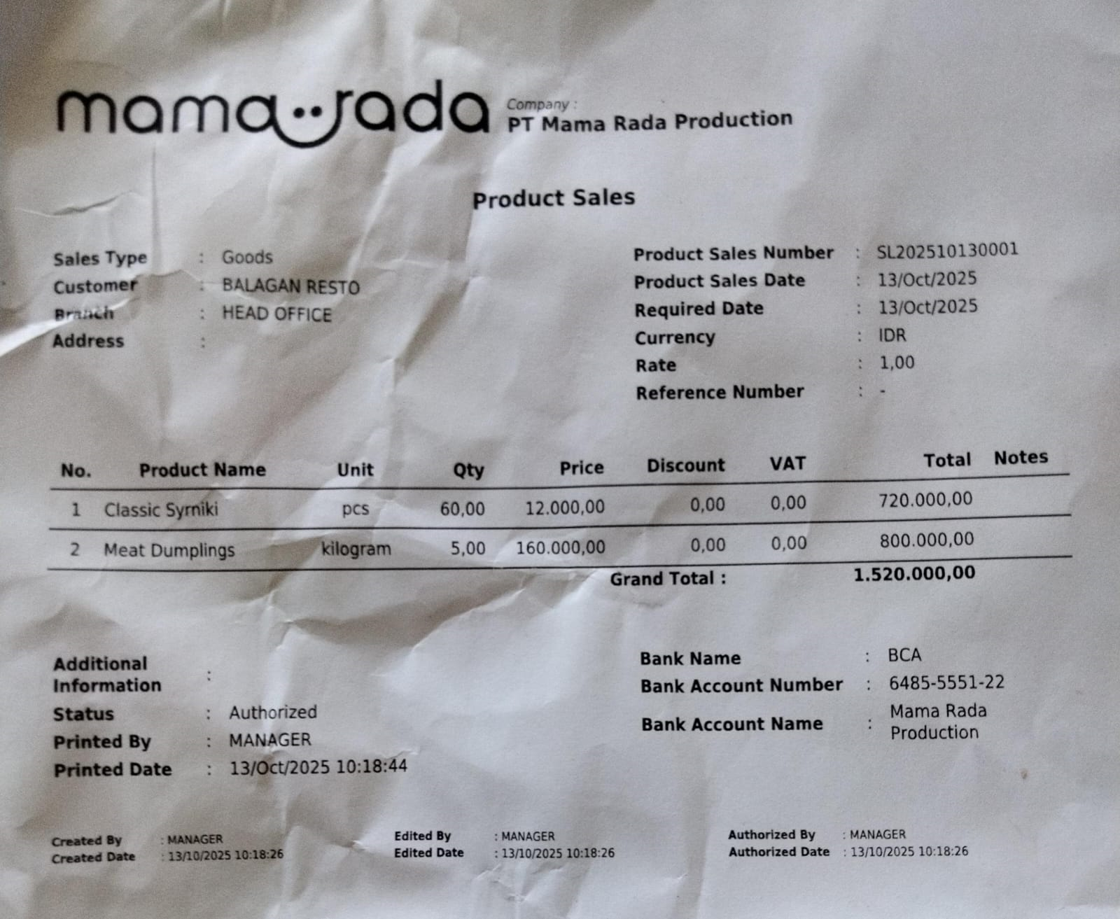 | IDR 12,000 | IDR 1,520,000
 |  | Meat Dumplings | 5 |  | IDR 160,000
2025-10-18 | SI202510180004 | Classic Syrniki | 60 | 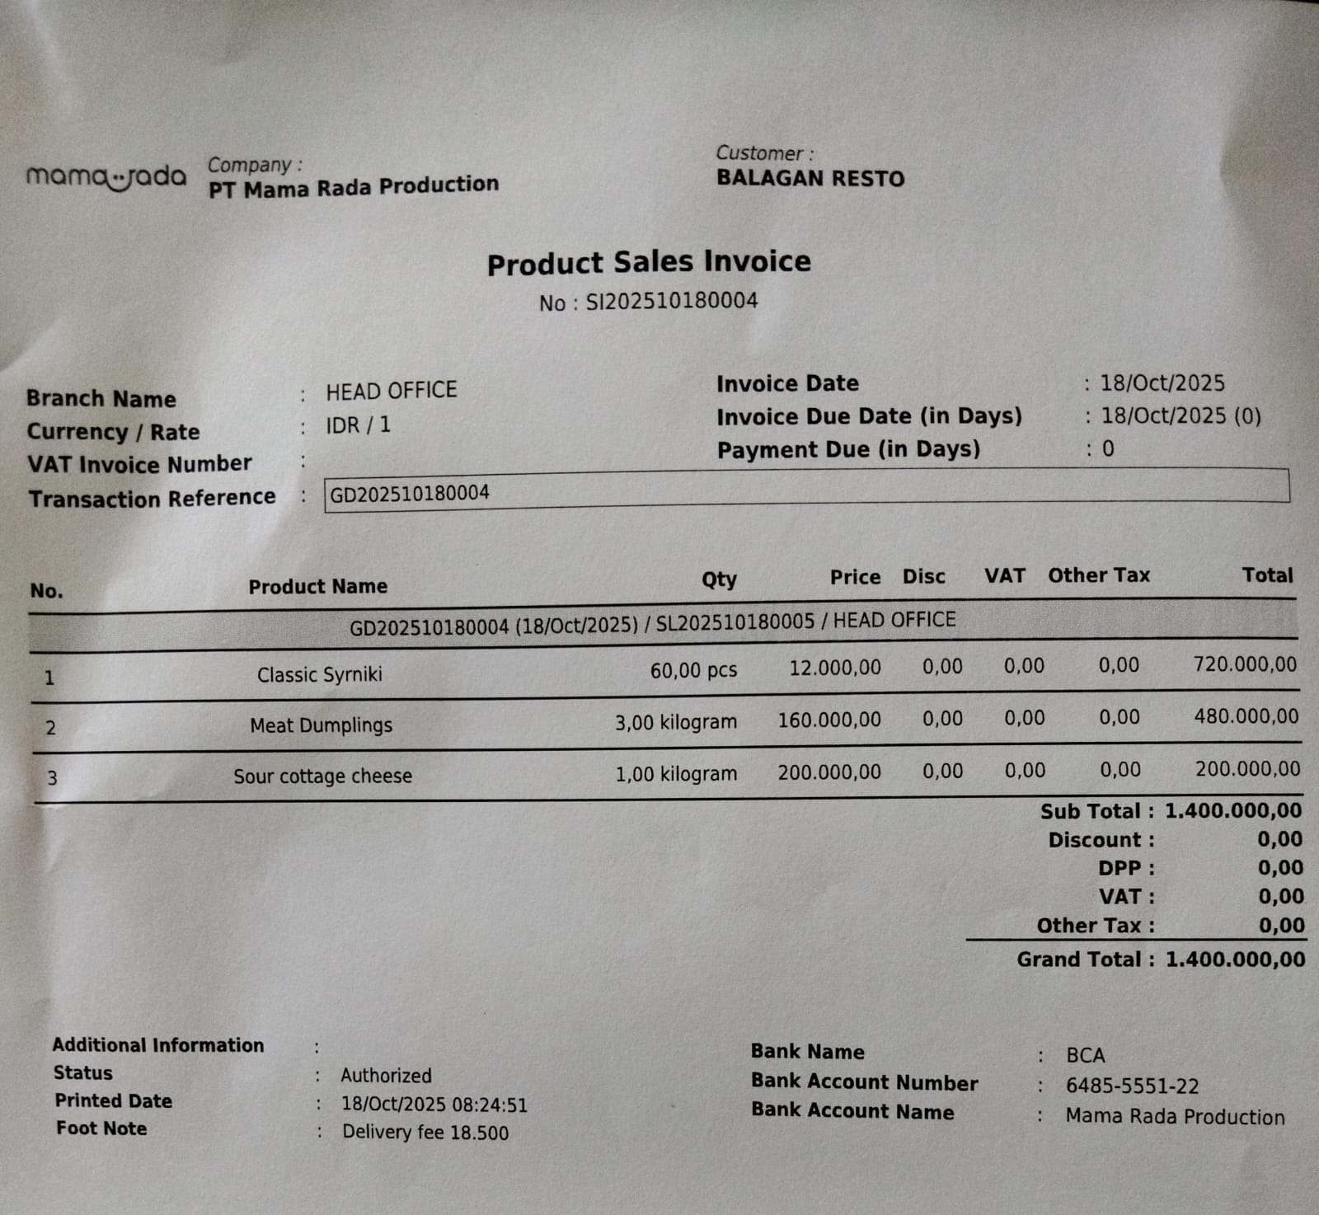 | IDR 12,000 | IDR 1,400,000
 |  | Meat Dumplings | 3 |  | IDR 160,000
 |  | Sour Cottage Cheese | 1 |  | IDR 200,000
2025-10-18 | SI202510210001 | Classic Syrniki | 120 | 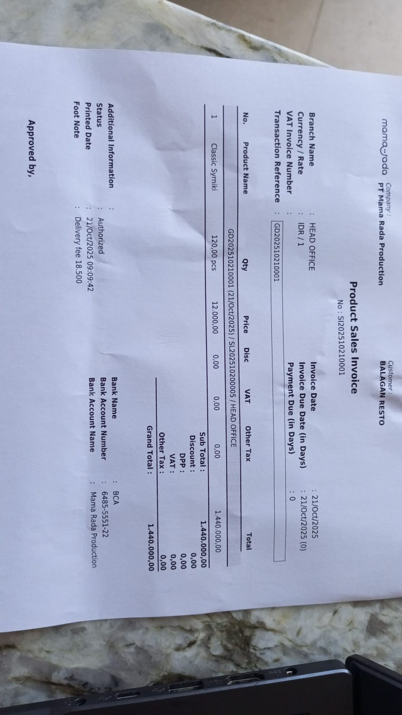 | IDR 12,000 | IDR 1,440,000
TOTAL |  |  |  | Rp5,560,000

